Chu Ngoc Minh
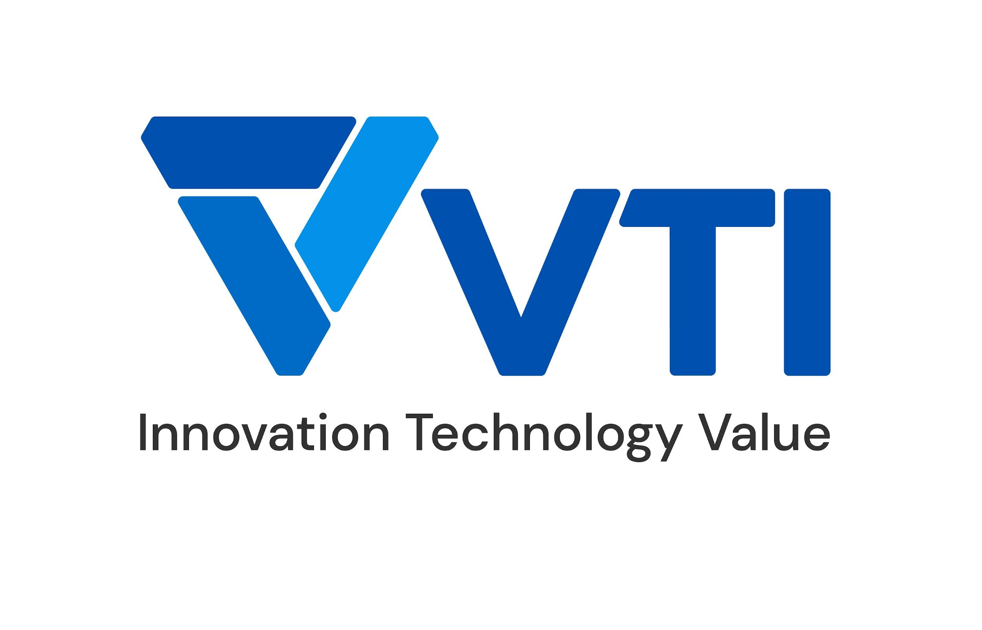 |  | CURRICULUM VITAE
 | PERSONAL DETAIL
 | Name | Chu Ngoc Minh
 | Nationality | Viet Nam
 | DOB | 07/12/1998
 | Sex | Male
 | Seniority | 4 years

 | ABOUT
 | - 3 years of experience in the Software Engineering. - 1 year of experience in the Cloud Computing, DevOps. - 3 years work as a Ruby Developer, 1 year work as a DevOps - Experienced in Software Engineering and DevOps workflows. - Experienced in working with microservices.

 | EDUCATIONAL BACKGROUND
 | 2016-2022 |  | Hanoi University of Science and Technology (HUST)

 | CERTIFICATION
 | 08/2023 - 08/2026 |  | AWS Certified Solutions Architect - Associate
 | 08/2023 - 08/2025 |  | HashiCorp Certified: Terraform Associate
 | 11/2023 - 05/2026 |  | AWS Certified SysOps Administrator - Associate
 | 12/2023 - 05/2026 |  | AWS Certified Developer - Associate

 | LANGUAGE
 | Vietnamese |  | Native
 | English |  | IELTS 6.5, Toeic: 785

 | TECHNICAL SKILL
 |  |  | Skill | Level
 |  |  |  | High | Medium | Low
 | Program language |  | Bash Script | o
 | Monitoring tool |  | Grafana |  | o
 |  |  | CloudWatch |  | o
 |  |  | Prometheus |  | o
 | Automation/Orchestration tool |  | AWS CloudFormation |  | o
 | OS |  | Windows | o
 |  |  | Linux | o
 | Public Cloud |  | AWS | o
 |  |  | Azure |  |  | o

 | EXPERIENCE
 | SPPL Microservices platform (2024 - now)
 | Customer |  | Singapore customer
 | Description |  | Implement microservices platform infrastructure
 | Team Size |  | 25
 | My Position |  | DevOps Engineer
 | My Responsibilites |  | - Provision and manage AWS infrastructure across multiple accounts using Terraform. - Implement CI/CD for infrastructure as code automation deployment. - Configure secure networking with AWS VPC and establish inter-account communication using VPC Peering and Transit Gateway. - Manage DNS configurations using Route 53 across accounts to route traffics. - Use EC2 instances across accounts with proper IAM role management for compute tasks and optimize resource allocation with autoscaling. - Ensure compliance and security through cross-account logging, encryption with KMS, and centralized monitoring. - Implement and manage AWS Landing Zone to establish a secure and scalable multi-account environment, ensuring proper governance and compliance. - Use Terraform to provision AWS resources across multiple accounts and configure cross-account permissions using IAM roles. - Set up centralized logging for infrastructure, including VPC Flow Logs, using CloudWatch and S3 for analysis and compliance.
 | Technologies Used |  | Terraform, AWS Services, Gitlab CI/CD, ROSA,...

 | USMH Monitoring (2024 - now)
 | Customer |  | Japanese customer
 | Description |  | Monitoring the stability of the USMH system
 | Team Size |  | 25
 | My Position |  | DevOps Engineer
 | My Responsibilites |  | - Develop and deploy AWS Lambda functions to automate system alerting and validate business logic. - Design and implement CI/CD pipelines using GitLab for infrastructure and Lambda code. - Utilize CloudWatch Metrics and Alarms for real-time monitoring of system health. - Capture and analyze logs generated by Celery distributed task queues, ensuring proper monitoring of asynchronous tasks. - Trace issues and maintain system stability by analyzing CloudWatch logs. - Implement performance monitoring and error handling for PostgreSQL databases. - Ensure continuous system stability through proactive monitoring and alerting. - Monitor and ensure the health and performance of Airflow deployments, ensuring that workflows execute as expected.
 | Technologies Used |  | AWS Services, Python, PostgresSQL, CloudWatch, Gitlab CI/CD, Celery, Airflow,...

 | Ruby Developer (2021 - 2023)
 | Customer |  | Japanese customer
 | Description |  | Implement API Backend for microservices applications
 | Team Size |  | 25
 | My Position |  | Ruby Developer
 | My Responsibilites |  | - Develop API backends for microservices using Ruby and implement user interfaces with AngularJS and Vue.js. - Utilize Nginx for load balancing and reverse proxying to ensure efficient API performance. - Implement authentication and authorization mechanisms using OAuth2 and JWT. - Write and maintain RSpec unit tests to ensure code reliability and validate logic. - Use Redis for caching and managing background jobs for faster response times. - Containerize services using Docker, ensuring consistent environments for development and production. - Implement Sidekiq for background job processing, optimizing task execution in a microservices architecture. - Automate CI/CD pipelines to streamline the deployment process and ensure continuous integration.
 | Technologies Used |  | Ruby, AngularJs, VueJs, Nginx, OAuth2, JWT, RSpec, Redis, Docker, Sidekiq,...

 | I declare that the above information is accurate.

